Blinkit Dashboard
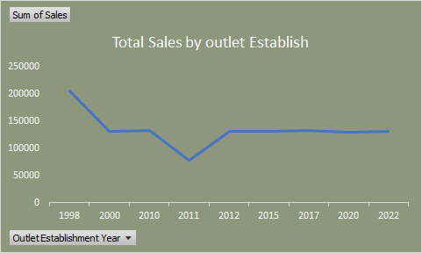
SALES PERFORMANCE OF DIFFERENT FACTORS
Total Sales by Fat Content
 | Total
Low Fat | 776319.6784
Regular | 425361.8024
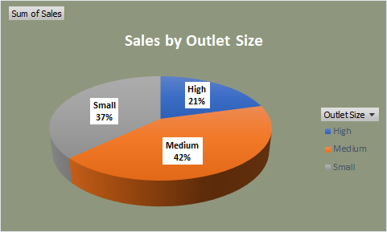
Total Sales by item type
 | Total
Baking Goods | 81894.7364
Breads | 35379.1198
Breakfast | 15596.6966
Canned | 90706.727
Dairy | 101276.4596
Frozen Foods | 118558.8814
Fruits and Vegetables | 178124.081
Hard Drinks | 29334.6766
Health and Hygiene | 68025.8388
Household | 135976.5254
Meat | 59449.8638
Others | 22451.8916
Seafood | 9077.87
Snack Foods | 175433.9204
Soft Drinks | 58514.165
Starchy Foods | 21880.0274

Fat Content by Outlet for Total Sales
 | Total
Low Fat | 122862.29
Regular | 126129.294
Low Fat | 338229.0316
Regular | 169666.6968
Low Fat | 315228.3568
Regular | 129565.8116

Sales by Outlet Location
 | Total
Tier 1 | 336397.812
Tier 2 | 393150.6416
Tier 3 | 472133.0272

Total Sales by Fat Content
Total Sales by Fat Content
Row Labels | Sum of Sales
Low Fat | 776319.6784
Regular | 425361.8024
Grand Total | 1201681.4808

Total Sales by Item Type
Total Sales by item type
Row Labels | Sum of Sales
Baking Goods | 81894.7364
Breads | 35379.1198
Breakfast | 15596.6966
Canned | 90706.727
Dairy | 101276.4596
Frozen Foods | 118558.8814
Fruits and Vegetables | 178124.081
Hard Drinks | 29334.6766
Health and Hygiene | 68025.8388
Household | 135976.5254
Meat | 59449.8638
Others | 22451.8916
Seafood | 9077.87
Snack Foods | 175433.9204
Soft Drinks | 58514.165
Starchy Foods | 21880.0274
Grand Total | 1201681.4808

Fat Content by Outlet for Total
Fat Content by Outlet for Total Sales
Row Labels | Sum of Sales
High | 248991.584
Low Fat | 122862.29
Regular | 126129.294
Medium | 507895.7284
Low Fat | 338229.0316
Regular | 169666.6968
Small | 444794.1684
Low Fat | 315228.3568
Regular | 129565.8116
Grand Total | 1201681.4808

Total Sales by Outlet Establish
Total Sales by outlet Establish
Row Labels | Sum of Sales
1998 | 204522.257
2000 | 131809.0156
2010 | 132113.3698
2011 | 78131.5646
2012 | 130476.8598
2015 | 130942.7782
2017 | 133103.907
2020 | 129103.9564
2022 | 131477.7724
Grand Total | 1201681.4808

Sales by Outlet Size
Row Labels | Sum of Sales
High | 248991.584
Medium | 507895.7284
Sales by Outlet Size
Small | 444794.1684
Grand Total | 1201681.4808

Sales by Outlet Location
Sales by Outlet Location

Row Labels | Sum of Sales
Tier 1 | 336397.812
Tier 2 | 393150.6416
Tier 3 | 472133.0272
Grand Total | 1201681.4808

